CONNECTORS
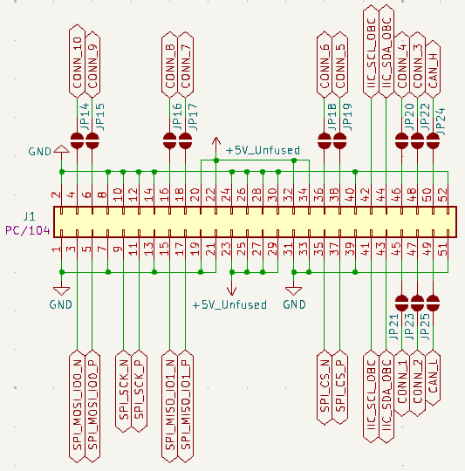
Connector | Interface | Available | Signal | Description
PC/104 52-pin header 02 x 26 1mm hole diameter | UNUSED | YES | CONN_1 | Unused pin
 |  |  | CONN_2 | Unused pin
 |  |  | CONN_3 | Unused pin
 |  |  | CONN_4 | Unused pin
 |  |  | CONN_5 | Unused pin
 |  |  | CONN_6 | Unused pin
 |  |  | CONN_7 | Unused pin
 |  |  | CONN_8 | Unused pin
 |  |  | CONN_9 | Unused pin - clock capable
 |  |  | CONN_10 | Unused pin - clock capable
 | CAN | YES | CAN_H | Positive diferential CAN pin
 |  |  | CAN_L | Negative diferential CAN pin
 | IIC | YES | IIC_SDA_OBC | SDA from the FPGA to the OBC
 |  |  | IIC_SCL_OBC | SCL from the FPGA to the OBC
 | SPI LVDS | YES | SPI_SCK_P | Positive LVDS SCK input
 |  |  | SPI_SCK_N | Negative LVDS SCK input
 |  |  | SPI_MOSI_IO0_P | Positive LVDS MOSI input
 |  |  | SPI_MOSI_IO0_N | Negative LVDS MOSI input
 |  |  | SPI_MISO_IO1_P | Positive LVDS MISO output
 |  |  | SPI_MISO_IO1_N | Negative LVDS MISO output
 |  |  | SPI_CS_P | Positive LVDS CS input
 |  |  | SPI_CS_N | Negative LVDS CS input
 | POWER INPUT | YES | 5V_Unfused | 5v input
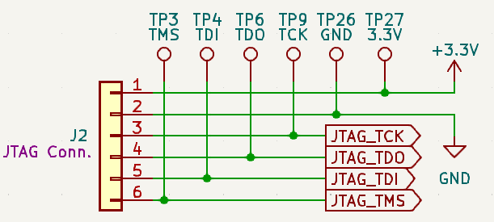
JTAG 6-pin header 01 x 06 1mm hole diameter | JTAG | YES | JTAG_TDI | TDI
 |  |  | JTAG_TDO | TDO
 |  |  | JTAG_TMS | TMS
 |  |  | JTAG_TCK | TCK
PMOD connector | EXTRA GPIO | YES | GPIO_1 | 3,3V capable IO pin
 |  |  | GPIO_2 | 3,3V capable IO pin
 |  |  | GPIO_3 | 3,3V capable IO pin
 |  |  | GPIO_4 | 3,3V capable IO pin
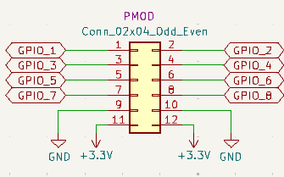
 |  |  | GPIO_5 | 3,3V capable IO pin
 |  |  | GPIO_6 | 3,3V capable IO pin
 |  |  | GPIO_7 | 3,3V capable IO pin
 |  |  | GPIO_8 | 3,3V capable IO pin
 |  |  | 3,3V | 3,3V power
 |  |  | GND | Ground
POWER connector | POWER RAILS | YES | GND | Ground
 |  |  | 5V | 5V input
 |  |  | 3,3V | 3,3V power rail
 |  |  | 2,5V | 2,5V power rail
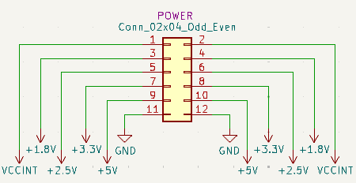
 |  |  | 1,8V | 1,8V power rail
 |  |  | VCCINT | 1V power rail

JUMPERS
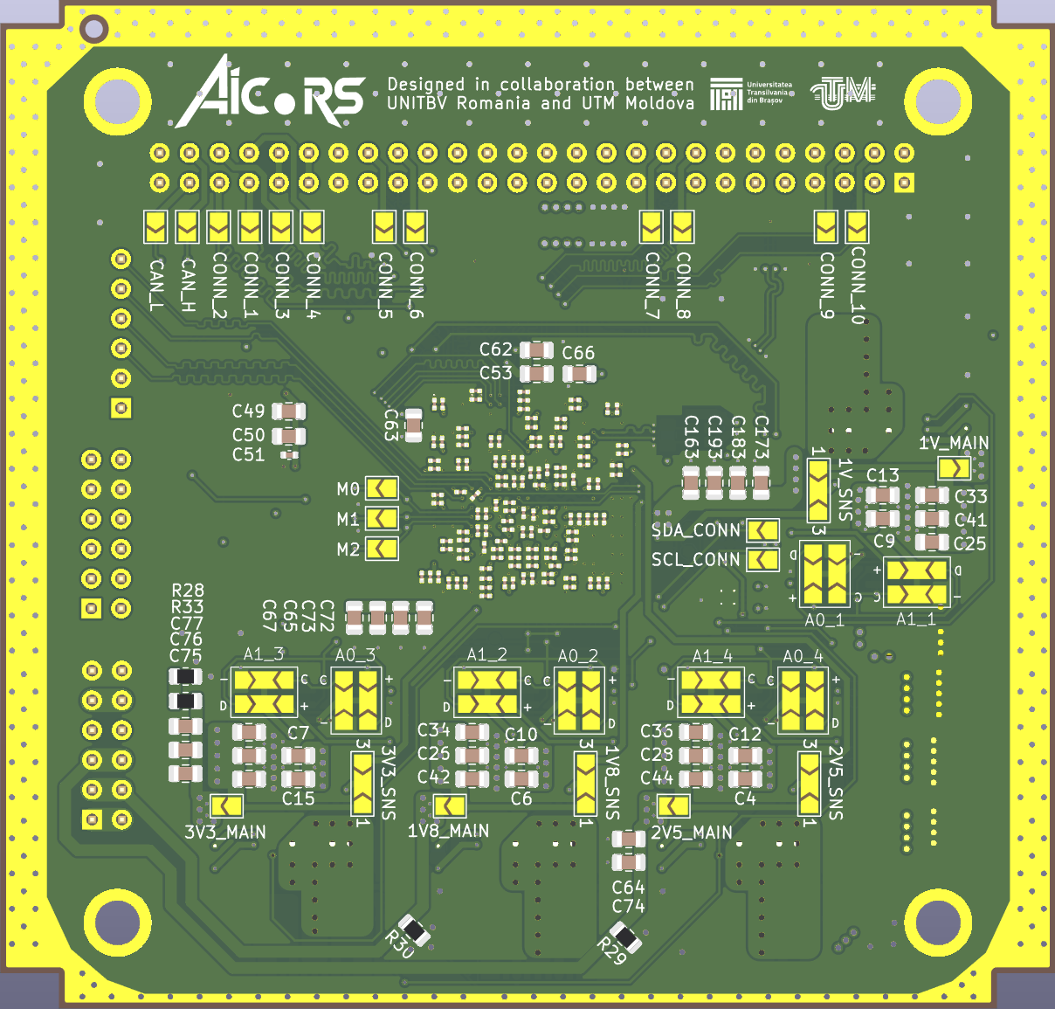
JUMPER NAME | ROLE | SHOULD BE ACTIVE
CONN_L | Connects the PC/104 CAN low pin to the FPGA | NO
CONN_H | Connects the PC/104 CAN high pin to the FPGA | NO
CONN_1 | Connects one of the PC/104 unused pin to the FPGA | ?
CONN_2 | Connects one of the PC/104 unused pin to the FPGA | ?
CONN_3 | Connects one of the PC/104 unused pin to the FPGA | ?
CONN_4 | Connects one of the PC/104 unused pin to the FPGA | ?
CONN_5 | Connects one of the PC/104 unused pin to the FPGA | ?
CONN_6 | Connects one of the PC/104 unused pin to the FPGA | ?
CONN_7 | Connects one of the PC/104 unused pin to the FPGA | ?
CONN_8 | Connects one of the PC/104 unused pin to the FPGA | ?
CONN_9 | Connects one of the PC/104 unused pin to the FPGA | ?
CONN_10 | Connects one of the PC/104 unused pin to the FPGA | ?
M0 | Connects the M0 pin to GND | YES
M1 | Connects the M1 pin to GND | NO
M2 | Connects the M2 pin to GND | NO
SDA_CONN | Connects the sda line from the two i2c busses together | NO
SCL_CONN | Connects the scl line from the two i2c busses together | NO
A0_1 | A0 address selector for 1V INA sensor | YES
A1_1 | A1 address selector for 1V INA sensor | YES
A0_2 | A0 address selector for 1,8V INA sensor | YES
A1_2 | A1 address selector for 1,8V INA sensor | YES
A0_3 | A0 address selector for 3,3V INA sensor | YES
A1_3 | A1 address selector for 3,3V INA sensor | YES
A0_4 | A0 address selector for 2,5V INA sensor | YES
A1_4 | A1 address selector for 2,5V INA sensor | YES
1V_MAIN | Connects the output of the 1V DC/DC regulator to the power rail | YES
1V8_MAIN | Connects the output of the 1,8V DC/DC regulator to the power rail | YES
2V5_MAIN | Connects the output of the 2,5V DC/DC regulator to the power rail | YES
3V3_MAIN | Connects the output of the 3,3V DC/DC regulator to the power rail | YES
1V_SNS | Connects the SENSE line of the 1V DC/DC regulator to the power rail either after the shunt or close to the FPGA | YES
1V8_SNS | Connects the SENSE line of the 1,8V DC/DC regulator to the power rail either after the shunt or close to the FPGA | YES
2V5_SNS | Connects the SENSE line of the 2,5V DC/DC regulator to the power rail either after the shunt or close to the FPGA | YES
3V3_SNS | Connects the SENSE line of the 3,3V DC/DC regulator to the power rail either after the shunt or close to the FPGA | YES

TESTING
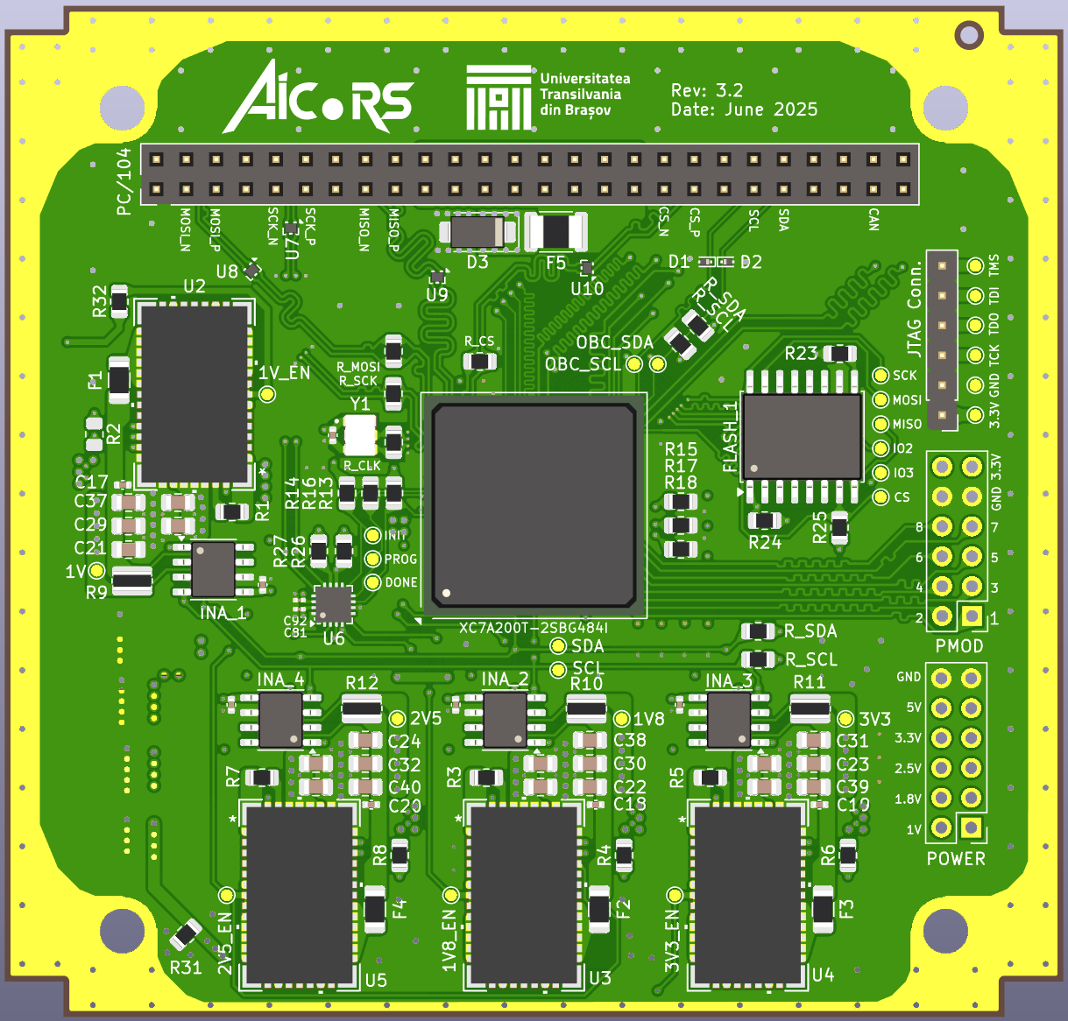
Test category | Tasks | Description | Used tool | Test successful | Tested boards | Passed boards | Notes
Mechanical | Check general integrity | look if all the connectors are propperly soldered | (2-4) Eyes | YES | A, B | A, B
 |  | no solder droplets stuck on the board |  | YES | A, B | A, B
 |  | check PCB height |  | YES | A, B | A, B | final design height should be 1.6mm ±0.1mm 1,6mm - height of PCB
 |  | check max height of components |  | YES | A, B | A, B
 |  | check no missing components |  | YES | A, B | A, B
 | Check weight | check weight of the board | Scale | NO
Thermal | Check static temperature | temperature of the LDOs | IR camera | YES | A | A | No significant heat detected
 |  | temperature of the FPGA |  | YES | A | A
 | Check temps during maximum utilization | temperature of the LDOs during maximum rated current draw |  | YES | A | A
 |  | temperature of the FPGA during intense design implementation | IR camera Internal registers | YES | A | A
Power | Chack static power draw | power draw of the whole board | USB power meter | YES | A | A | 1,02 W under no utilization (AICORS_blank project)
 |  | power draw of the fpga | INAs | YES | A | A | 1,02 W - same measurement INA and USB power meter
 |  | power draw of each voltage level | INAs | YES | A | A | Measured with Arduino UNO, using AICORS_blank project 0,996 V - 0,237 mA 1,812 V - 0,276 mA 2,524 V - 0,004 mA 3,320 V - 0,084 mA
 |  | power draw of the FPGA during intense design implementation | INAs | YES | A |  | 1,63 W - measured with USB meter 2,5 W - measured with INA possible wrong program no significant heat
 | Check clocks | measure output frequency of both oscilators | Oscilloscope | YES | A, B | A, B
 | Check JTAG fuctionality | upload an FPGA program using JTAG connector | Vivado | YES | A, B | A, B
 |  | upload a bitfile to NOR flash |  | YES | A, B | A, B | device is a Cypress/Spansion 512Mbit s25fl512s-spi-x1_x2_x4
Communication | Check line integrity | upload IO_tester design to FPGA and check continuity | Oscilloscope | YES | A, B | A, B
 |  | check if frequency of more than 400KHz is possible on I2C lines |  | YES | A | A | worked fine at 500 MHz
 | Check communication | upload Demo_tester design to FPGA and check communication through UART and I2C | Vivado | YES | A | A
 |  | make Eye diagram for I2C communication |  | NO
 |  | make Eye diagram for SPI communication? |  | NO

Notes

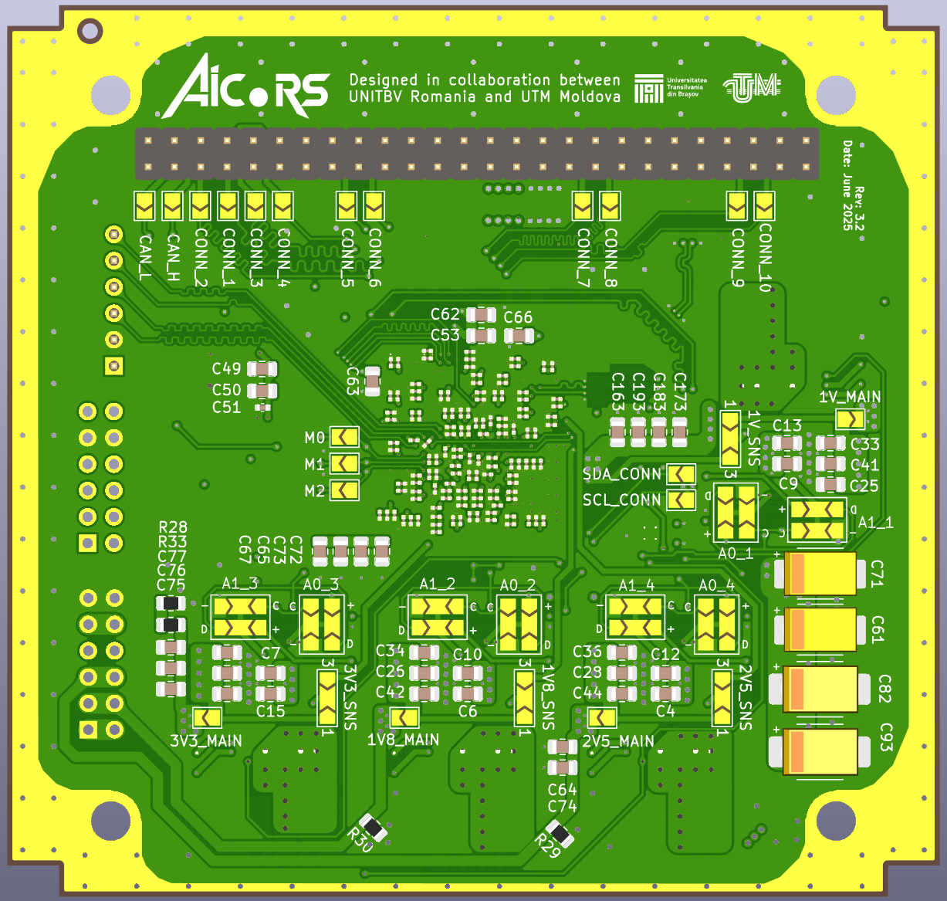
INA Arduino program output | Voltage: 0.996 --- Shunt voltage[mV]: 1.780 --- Current: 972 --- Power: 49 --- Current[A]: 0.237 --- Power[W]: 0.239
 | Voltage: 1.812 --- Shunt voltage[mV]: 2.090 --- Current: 1141 --- Power: 103 --- Current[A]: 0.279 --- Power[W]: 0.503
 | Voltage: 2.524 --- Shunt voltage[mV]: 0.030 --- Current: 16 --- Power: 2 --- Current[A]: 0.004 --- Power[W]: 0.010
 | Voltage: 3.320 --- Shunt voltage[mV]: 0.630 --- Current: 344 --- Power: 57 --- Current[A]: 0.084 --- Power[W]: 0.278
 | Total power [W]: 1.030

